Coordinate_converter
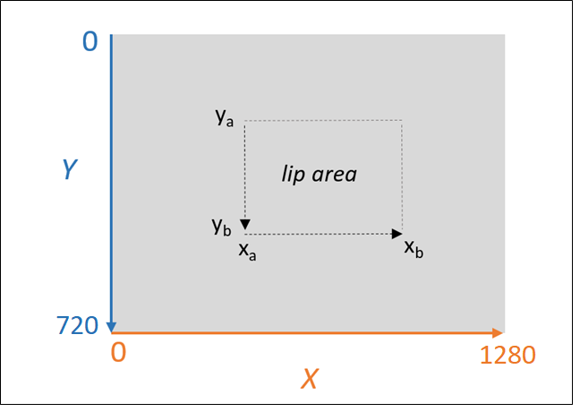

Xa | Xb | Ya | Yb | Ylim | Xlim
350 | 520 | 370 | 520 | 151 | 171

 |  |  |  | ENTER THIS IN MATLAB

 |  |  |  | 370 520 350 520

